Combined Cash Account Master
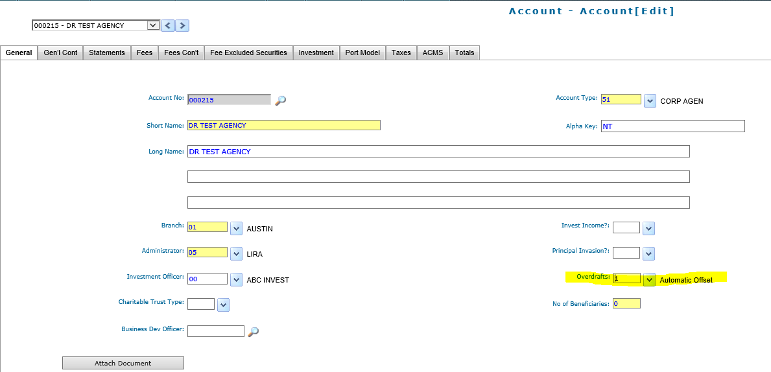
Combined Cash Account Master:

If you need to be able to identify principal and income cash do not turn on "overdrafts", below is an example of what asset details will look like without overdrafts turned on:

Only turn on "overdrafts" if you want the system to transfer cash between income and principal cash to "zero out" cash each day:

